Dashboard
FOOD PREFERENCES MAY 2019 (7th to 10th)
RECOMMENDATIONS

287 (100%)
TRADITIONAL FOOD
FRESH JUICE
MAYBE
INDIAN (83.97%)
Filters
Total people
Food preference
Juice preference
Dessert (Common Answer)
Most popular Nationality
TOTAL PEOPLE BY CONTINENT
 | Total
Africa | 5
Asia | 281
North America | 1
MAYBE | People | 287 (100%)
 | Food | TRADITIONAL FOOD
 | Juice | FRESH JUICE
FOOD PREFERENCE
 | Total
Traditional food | 237
Western Food | 50
JUICE PREFERENCE
 | Total
Carbonated drinks | 32
Fresh Juice | 255
DESSERTS
 | Total
Maybe | 122
No | 52
Yes | 113
 | Nationality | INDIAN (83.97%)

TOTAL BY GENDER
 | Total
Female | 165
Male | 119
Unknown | 3
TOTAL BY AGE
 | Total
Children (<15) | 9
Old (>51) | 17
Youth (16-24) | 79
Adults (25-50) | 182
Characteristics
PURCHASE TIME(S)
 | Total
00:00 | 2
01:00 | 27
02:00 | 6
03:00 | 1
04:00 | 1
09:00 | 4
10:00 | 5
11:00 | 10
12:00 | 22
13:00 | 10
14:00 | 6
15:00 | 44
16:00 | 63
17:00 | 31
18:00 | 23
19:00 | 15
20:00 | 4
21:00 | 7
22:00 | 3
23:00 | 3
PURCHASE DAY(S)
 | Total
Tue | 178
Wed | 77
Thu | 7
Fri | 25
Time-Analysis

Recommendations
RECOMMENDATIONS
Assumption: Data is being analysed for a food store

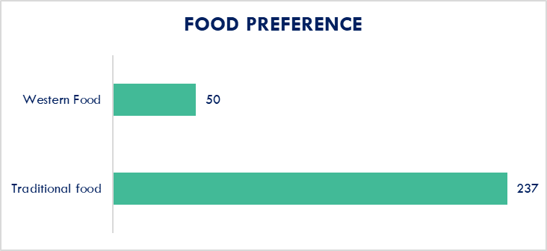
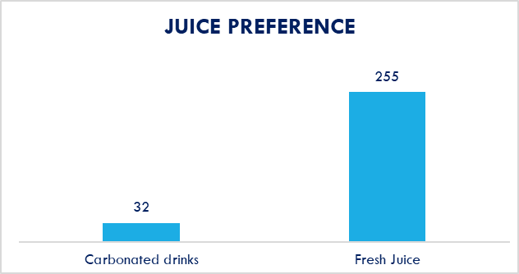
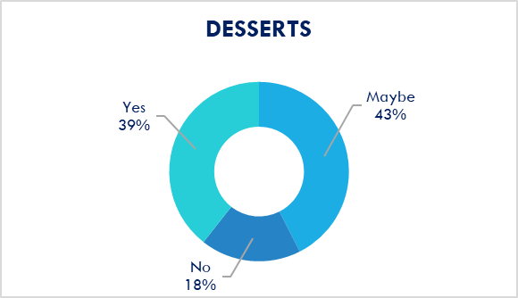
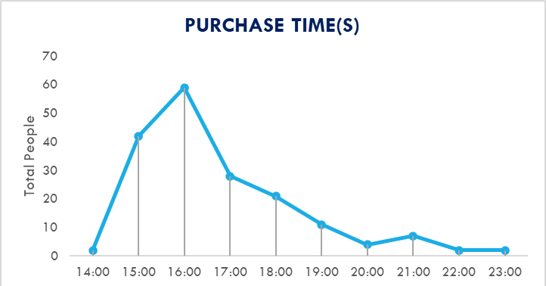
TUE
Expand Afternoon Hours (Tuesday and Wednesday):
Additional services like takeout or pre-ordering options for customers looking for a quick bite.
Simplified Menus for Slow Days (Thursday and Friday):
Focus on a few bestsellers, offer limited-time menu to encourage customers to try something new.
Adjust Operating Hours for Quiet Days (Thursday and Friday):
Adjust your operating . Focus on staying open later on Thursday and Friday evenings when your late-night peak occurs (around 1:00 AM). You could also open later in the day on Thursday, focusing on after-work or evening dining.

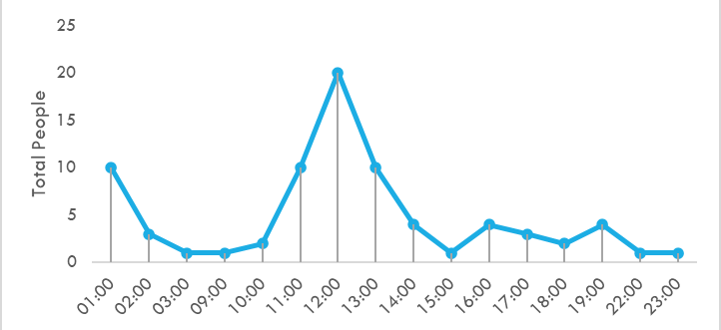
WED

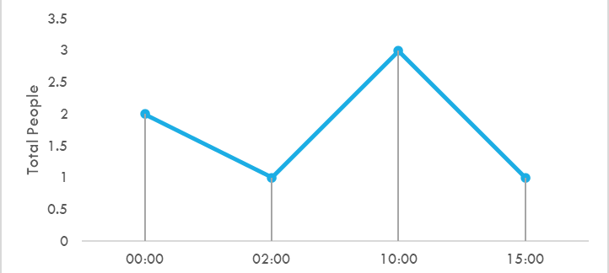
THU
Prioritize:
Stock up on traditional foods that are popular among the most prominent demographic such as Nasi, Satay, Curry, and similar staples.
Limited:
Limit the inclusion of Western dishes and foods from other international cuisines.
Expansion:
To attract a broader range of demographics, create a food market offering a variety of cuisines from different countries.
Variety:
Offer a wide variety of fresh juices such as Fruit-based, Vegertable juices, Smoothies, Cold pressed juices etc.
Customer Experience:
Allow customers to mix and match their own juice combinations to improve the customer experience.
Retain and Expand:
To keep customers invested and expand, have Juice promotions with limited flavors.
Dessert Display:
Display your desserts attractively in a glass case or showcase. Visually appealing options can entice customers to try them.
Promotions:
Offer a "Dessert Happy Hour" with limited-time discounts to create urgency and encourage hesitant customers to try desserts when the price is right

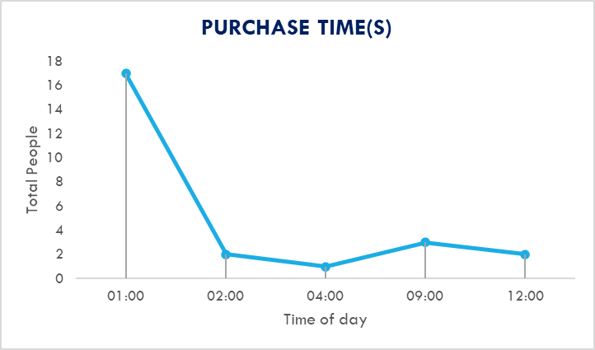
FRI

